Indices

 | Iraq Stock Exchange
 | Bulletin No (24)
 | ISX Trading Indices of Sunday 8/2/2026

 | Traded Volume and OTC |  | 314,411,095 |  | Traded Value and OTC |  | 533,256,352 |  | Traders | 763

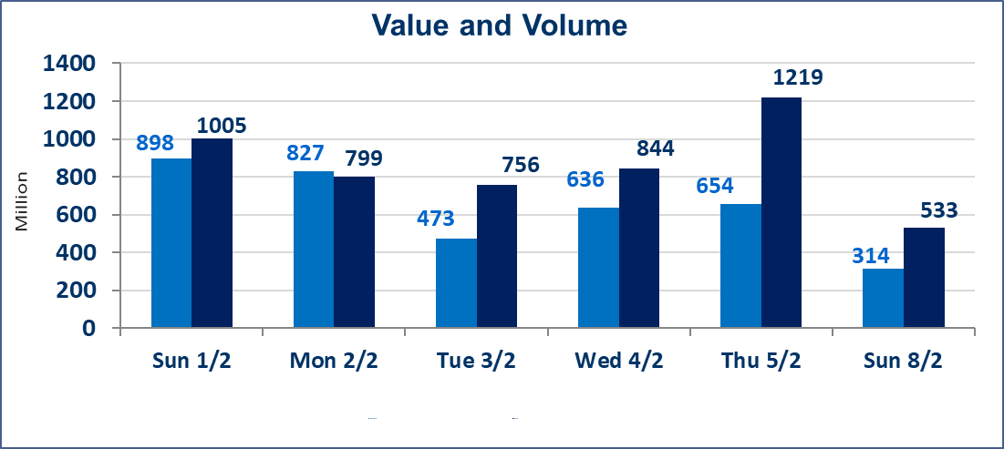
 | ISX Index 60 |  |  | 959.84 | ISX Index 15 |  |  | 1232.90
 | Previous ISX Index60 |  |  | 954.90 | Previous ISX Index15 |  |  | 1222.18
 | Change % |  |  | 0.52 | Change % |  |  | 0.88
 | Change |  |  | 4.94 | Change |  |  | 10.72

 | Listed Companies | 104 | OTC | 14 | Non Traded listed | 44 | OTC | 13
 | Traded Listed Companies | 47 | OTC | 1 | Higher Companies |  |  | 10
 | GAM Companies |  |  | 2 | Lower Companies |  |  | 11
 | Suspended Companies |  |  | 11
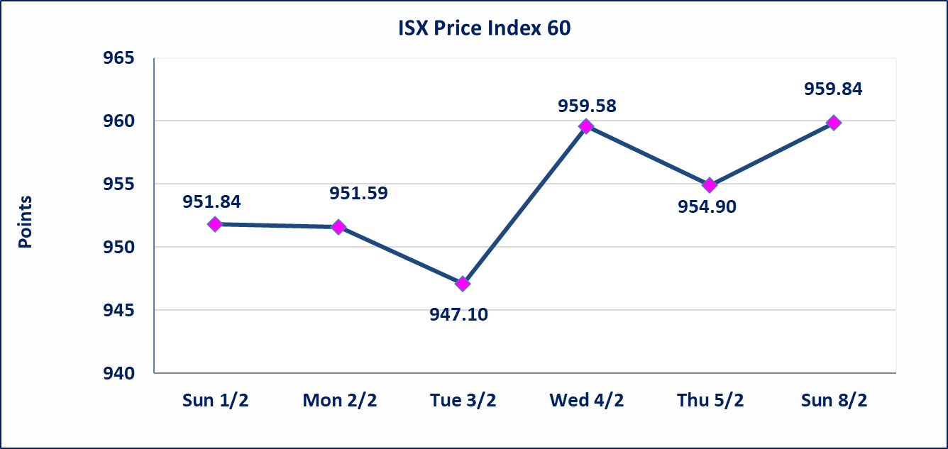
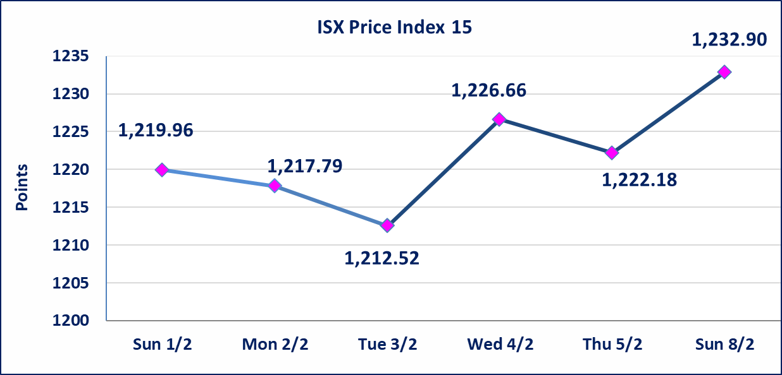

Al-Alwiya P.O . 3607 Mobile: 07711211522 - 07270094594 - 07834000034 E-mail: info-isx@isx-iq.net Web site:www.isx-iq.net

Top 5
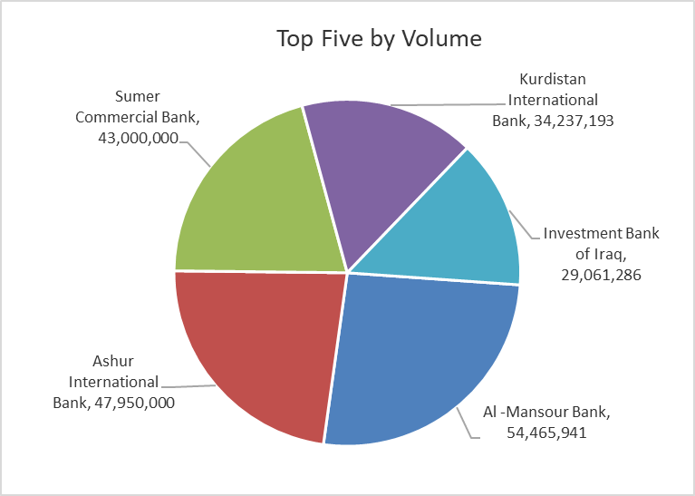
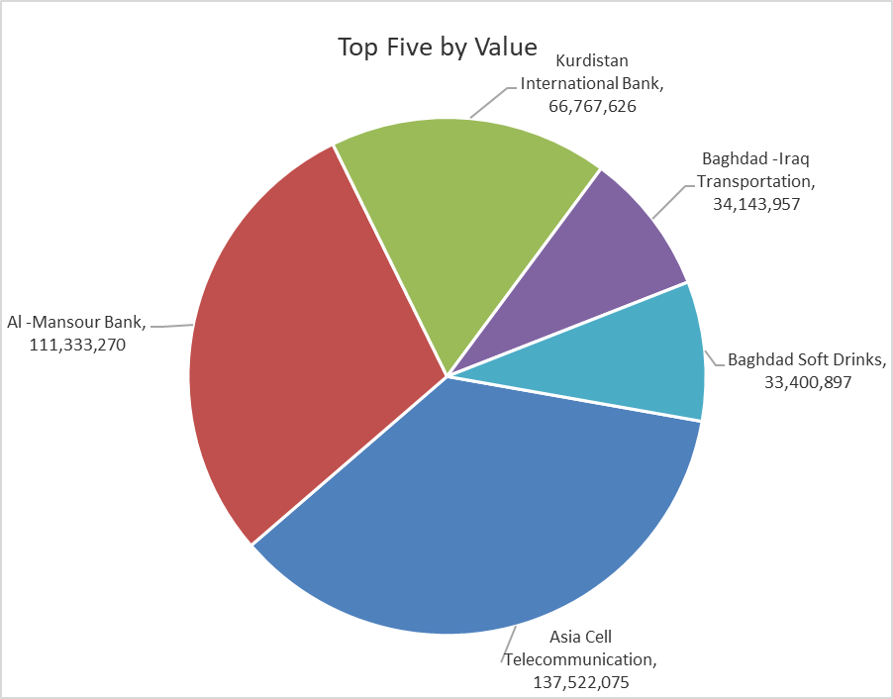

ISX top ganing and losing companies
Sunday 8/2/2026
 | Gainers |  |  |  | Losers
 | Company Name | Closing Price | Change (%) | Traded Volume | Company Name | Closing Price | Change (%) | Traded Volume
 | Sumer Commercial Bank | 0.130 | 8.33 | 43,000,000 | Elaf Islamic Bank | 0.240 | -14.29 | 6,113,589
 | Mosul Bank For Investment | 0.140 | 7.69 | 6,226,917 | Iraqi Date Processing and Marketing | 2.650 | -5.36 | 535,350
 | Credit Bank Of Iraq | 0.620 | 3.33 | 638,079 | Al-Ameen Estate Investment | 2.000 | -4.76 | 350,236
 | Modern Sewing | 5.450 | 2.83 | 1,709,689 | Al-Kindi of Veterinary Vaccines | 2.300 | -4.17 | 61,215
 | Asia Cell Telecommunication | 15.150 | 2.09 | 9,180,523 | Electronic Industry | 2.020 | -3.81 | 352,378
 | The most active companies in term of traded volume and value

 | Traded Volume |  |  |  | Traded Value
 | Company Name | Closing Price | Change (%) | Traded Volume | Company Name | Closing Price | Change (%) | Traded Value
 | Al -Mansour Bank | 2.050 | 0.00 | 54,465,941 | Asia Cell Telecommunication | 15.150 | 2.09 | 137,522,075
 | Ashur International Bank | 0.250 | 0.00 | 47,950,000 | Al -Mansour Bank | 2.050 | 0.00 | 111,333,270
 | Sumer Commercial Bank | 0.130 | 8.33 | 43,000,000 | Kurdistan International Bank | 1.950 | 0.00 | 66,767,626
 | Kurdistan International Bank | 1.950 | 0.00 | 34,237,193 | Baghdad -Iraq Transportation | 22.020 | -2.13 | 34,143,957
 | Investment Bank of Iraq | 0.220 | 0.00 | 29,061,286 | Baghdad Soft Drinks | 5.820 | 1.22 | 33,400,897

Non Iraqis

Iraq Stock Exchange
Non Iraqis' Bulletin Sunday Feb 8 2026
Regular Market

Non Iraqi Trading of Regular Market (Sell)
Company Names | Code | No.of trades | Traded Shares | Trading Volume
Banks Sector
Al-Mansour Bank | BMNS | 13 | 11,087,286 | 22,734,541
Total Bank sector |  | 13 | 11,087,286 | 22,734,541
Grand Total |  | 13 | 11087286 | 22734541

Not Trading Bonds

Iraq Stock Exchange
Sunday 8/2/2026
Not Trading Bonds Bulletin
Bond type | Publish type | Code | last trading price | immortilize date
Banaa Bonds /Million ID | Second | CB20 | 964,981 | 19/12/2025
Eamar Bonds /Million ID | First | CB30 | 1,001,095 | ــــــــــــــــ
Eamar Bonds /Million ID | Second | CB40 | ــــــــــــــــ | ــــــــــــــــ
Eamar Bonds /500 Thousand ID | Third | CB45 | ــــــــــــــــ | ــــــــــــــــ
Eamar Bonds /Million ID | Third | CB50 | ــــــــــــــــ | ــــــــــــــــ
Injaz Bonds /500 Thousand ID | First | CB55 | ــــــــــــــــ | ــــــــــــــــ
Injaz Bonds /Million ID | First | CB60 | ــــــــــــــــ | ــــــــــــــــ
Injaz Bonds /500 Thousand ID | Second | CB65 | 515,047 | ــــــــــــــــ
Injaz Bonds /Million ID | Second | CB70 | 1,026,082 | ــــــــــــــــ
Injaz Bonds /500 Thousand ID | Third | CB75 | ــــــــــــــــ | ــــــــــــــــ
Injaz Bonds /Million ID | Third | CB80 | 978,182 | ــــــــــــــــ
National Bonds/Million ID | First | CB90 | ــــــــــــــــ | ــــــــــــــــ
National Bonds/500 Thousand ID | Second | CB95 | ــــــــــــــــ | ــــــــــــــــ
National Bonds/Million ID | Second | CB100 | ــــــــــــــــ | ــــــــــــــــ

